Create EC2 Instance
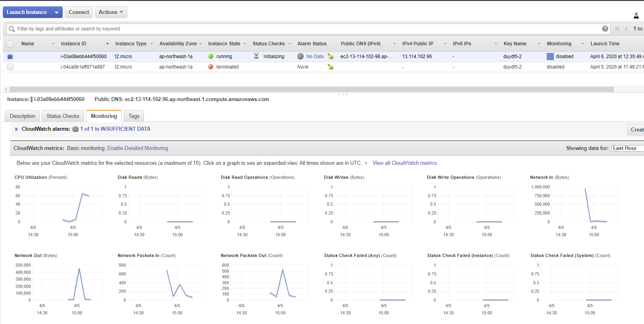
1 | Launch an EC2 instance with public Ip address
 | AWS Console > Services > EC2 > EC2 Dashboard > Launch Instance

 | Choose Amazon Machine Image

 | Choose Instance Type
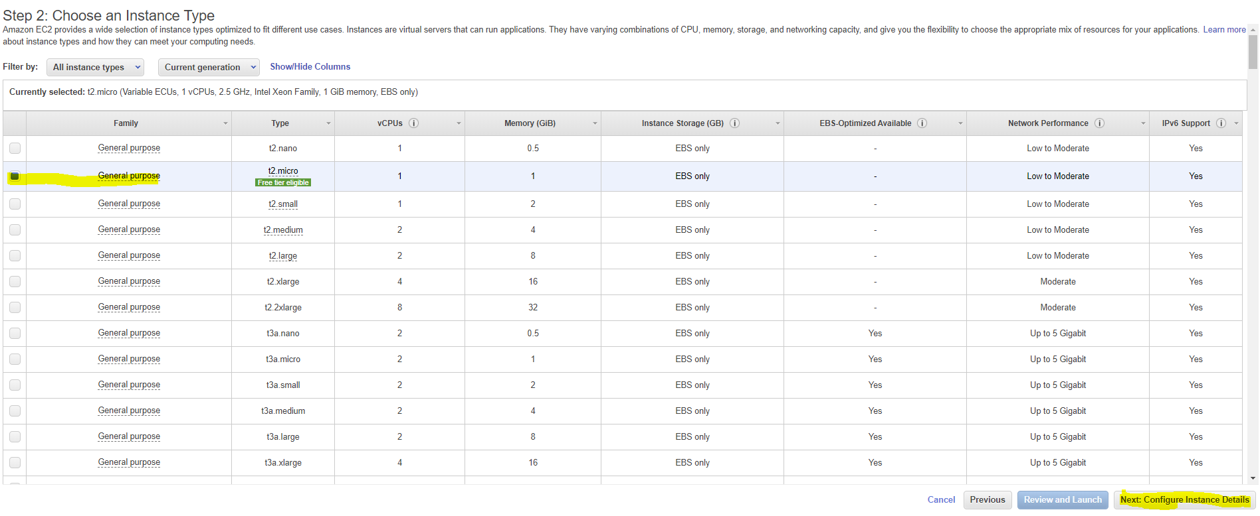

 | Configure instance details, make sure to Enable Public IP
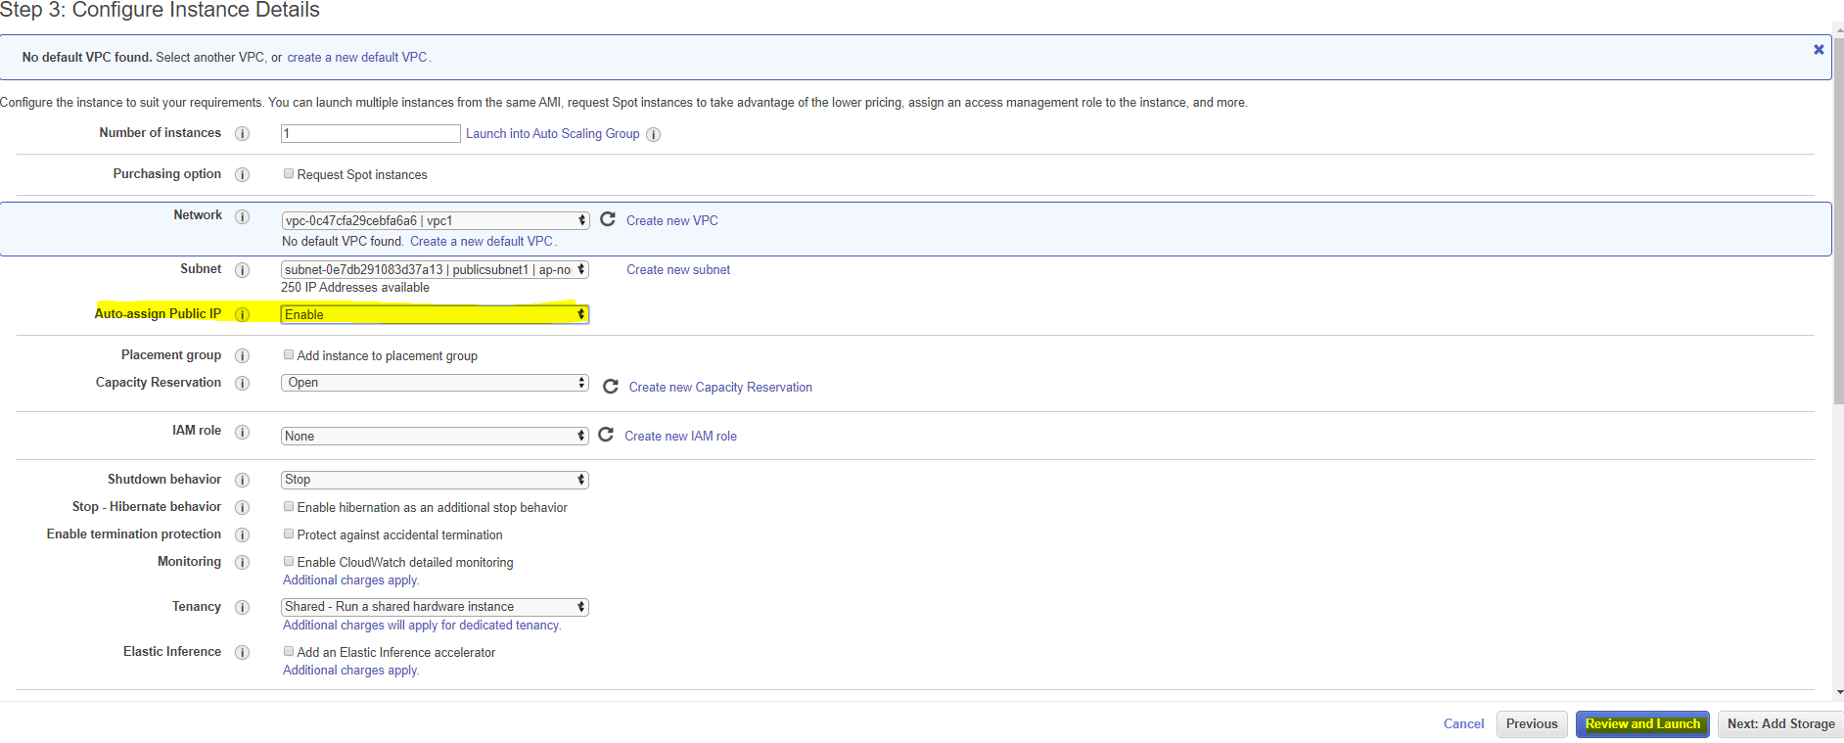

 | Launch
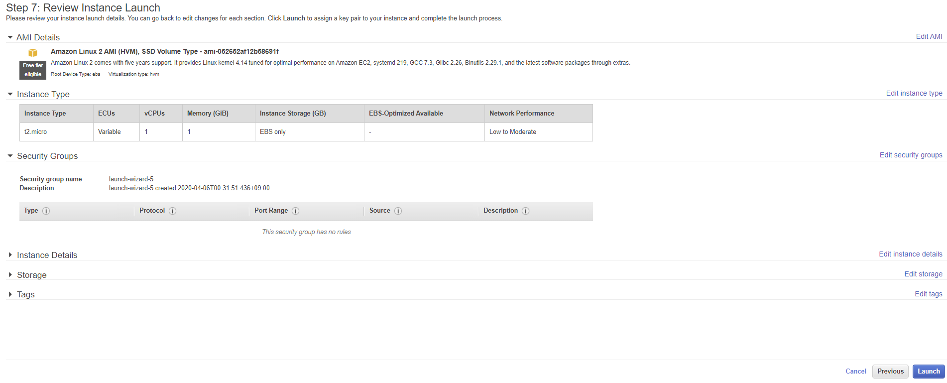

 | If you already have a keypair, use the old keypair | Check the downloaded keypair
 | if not, create a new keypair and download it | sample:
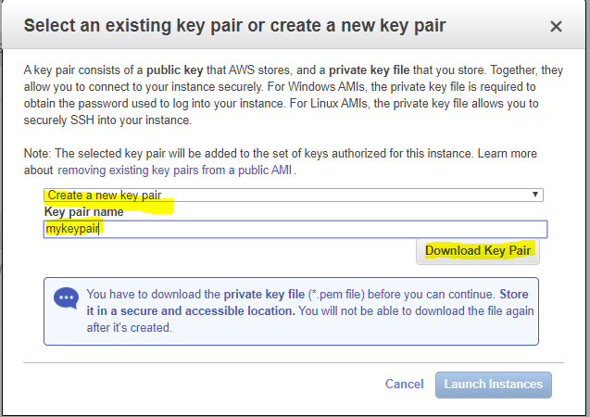

 | Go to EC2 Dashboard
 | Note your instance ID
 | and Public IP address

 | Use the monitoring tab to watch your instance:

how to login into instance
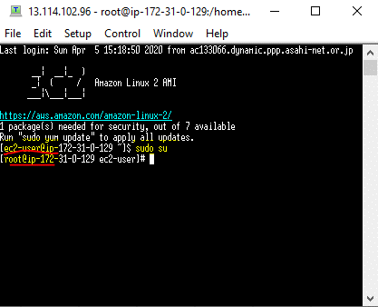
Download and install TeraTerm
then Open TeraTerm
 | enter the Public IP address of your instance
 |  | refer the last step of [Create EC2 Instance]
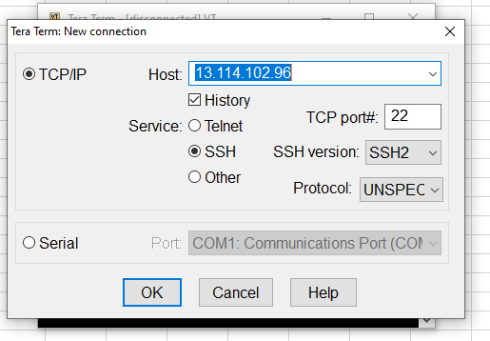

 | Use key to login> Select downloaded key from the [Create EC2 instance]

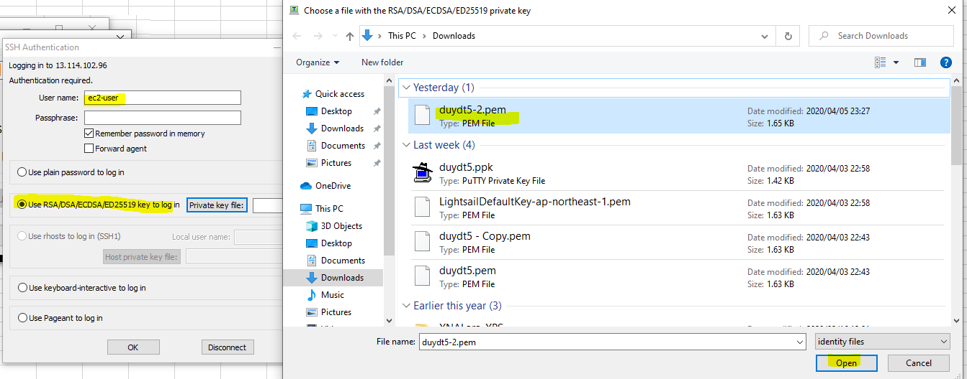

 | when you are in , enter the following command to get root access
 | sudo su

